Reservation form INJA 2021
RESERVATION FORM "Victor IJNA U13-U15 2022"

Send the reservation form before July 22th to IJNA@lnaqbad.fr and do the bank transfer before August 5th. For the transport, you can send the information before the August 10th.

 |  |  |  |  |  |  |  | RATES (euros)
 | MEMBER ASSOCIATION : |  |  |  |  |  | Single | 25.00 €
 | Phone number : |  |  |  |  |  | Double | 10.00 €
 | Mail adress : |  |  |  |  |  | Mixed double | 10.00 €
 |  |  |  |  |  |  | Transport | 5.00 €

 | LAST NAME - First name | Gender (Boy/Girl) | Age Group (U13/U15) | Single (Yes/No) | Double (Yes/No) | Doubles partner | Mixed double (Yes/No) | Mx partner | Total (euros)
Example | MOMOTA - Kento | Boy | U13 | Yes | Yes | X | Yes | MARIN Carolina | 45
1
2
3
4
5
6
7
8
9
10
 |  |  |  |  |  |  |  | Total (euros) | 0

 | TRANSPORTS | How many ? | Date and hours of the plane or train
 | Airport - CREPS or Official Hotel
 | Creps - Airport
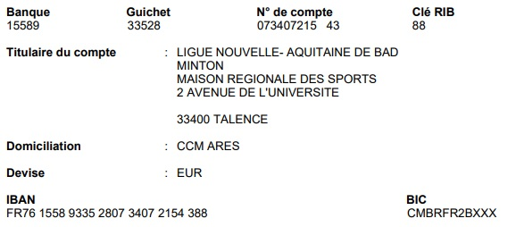
 | NUMBER TOTAL OF PASSENGERS | 0
 | Total (euros) | 0

 | TOTAL PRICE | 0 | euros

 | For the bank transfer, please indicate the name of the structure or the name of the player

